Sheet3
Quantity
5510
15379
Tax
Unit price
322967
55672
Tota Sales
Sales Dashboards
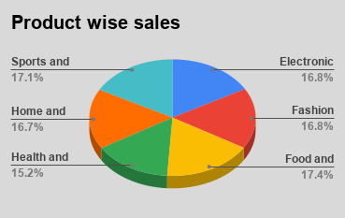 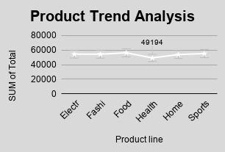

Total vs Tax vs Unit price

Mode of payment
Total

g6
Total

g4
Mode of payment

g3
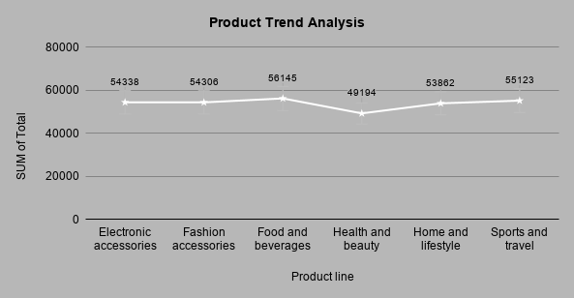

g2
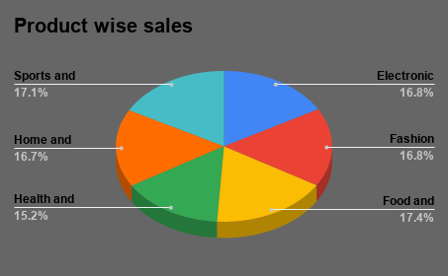

g1
Total vs Tax vs Unit price

